Risk Management
 | Hoadley Hide 2026: Lights, Camera, Action!

 | Stunt Risk Management Template

How fill out this risk assessment
1. Review your activity plan and split it into smaller components
2. For each component, identify possible hazards in your activity
3. List out the potential hazards you've identified
4. Record the likelihood this hazard will cause indicent if you didnt make any changes to your activity
5. What is the consequence of this hazard?
6. Refering to the table, what is the inital risk level?...........................................................................................................................................................................
7. Refer to the heirachy of controls, what method will you use to reduce the risk?..........................................................................................................................
8. List any mitigating steps you will take to reduce the likelihood of incident
9. Revise the likelihood and consequence of the risk, now that control measures have been put in place. ......................................................................................
10. Any hazard which has not been reduced to at least a Moderate Risk Rating is not an appropriate risk level and needs to be changed or further mitigated.
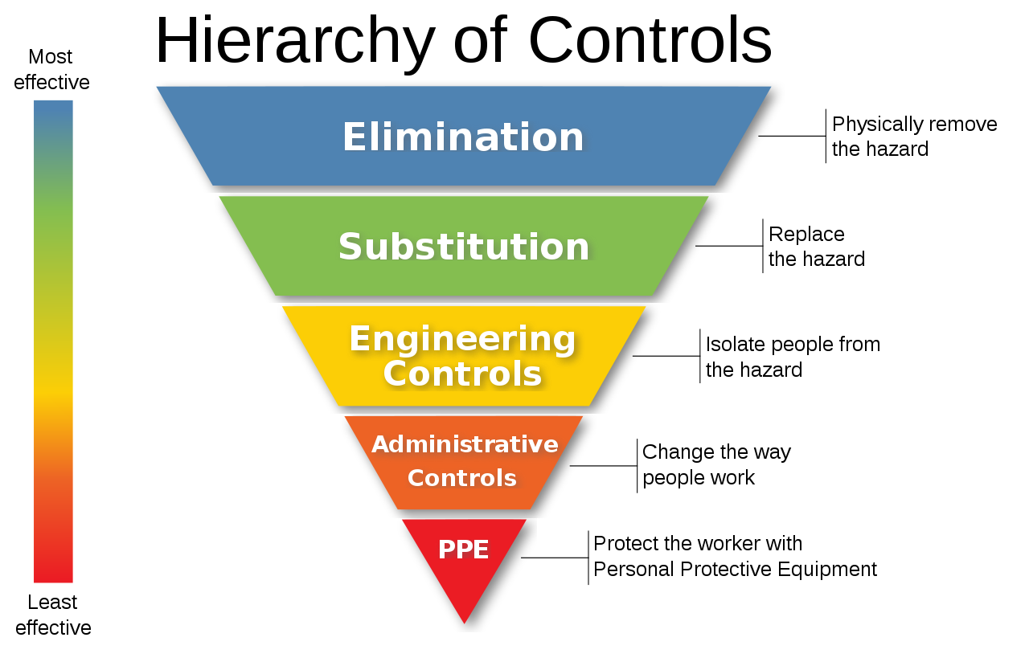

RISK MATRIX
Consequence | Insignificant | Minor | Moderate | Significant | Catastrophic
Likelihood
Almost Certain | Moderate | Moderate | High | Extreme | Extreme
Likely | Low | Moderate | High | High | Extreme
Possible | Low | Moderate | Moderate | High | Extreme
Unlikely | Low | Low | Moderate | High | High
Rare | Low | Low | Moderate | Moderate | High

Examples Layout | Saturday and Sunday to be completed on other sheet tabs

IDENTIFIED RISKS:
Description of Identified Hazard | Likelihood | Consequence | Risk | Control Measure | Mitigation Measures | Revised Likelihood | Revised Consequence | Revised Risk Rating

 | Likely | Minor | Moderate |  |  |  |  | <- Enter values
 |  |  | <- Enter values |  |  |  |  | <- Enter values
 |  |  | <- Enter values |  |  |  |  | <- Enter values
 |  |  | <- Enter values |  |  |  |  | <- Enter values
 |  |  | <- Enter values |  |  |  |  | <- Enter values

